MAIMUS AUTO GROUP
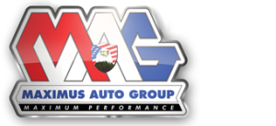
 |  |  |  | Dealer Name:
 |  |  |  | Dealer Address:
 |  |  |  | Dealer Phone:
 |  |  |  | Completed By:
 |  |  |  | Date Completed:

 | DATE SOLD | FORM TYPE | APPLICATION NUMBER | APPLICATION(S) | NAME |  |  | REMITTANCE DUE | OFFICE DUE
1
2
3
4
5
6
7
8
9
10
11
12
13
14
15
16
17
18
19
20
21
23
24
25

 |  |  |  |  |  |  | TOTAL | $0.00
 | Please make check(s) payable to: Dealers Resources |  |  |  |  | CHECK NUMBER
 |  |  |  |  |  |  | OFFICE USE ONLY
 | MAIL TO:
 | DEALERS RESOURCES
 | 660 GRISWOLD
 | NORTHVILLE, MI 48167

